Dishy Soap
DATE | DESCRIPTION | QTY | BILLS | PRICE | SUBTOTAL | TOTAL
3-Jan-2026 | DISHY 5L DISHWAHING | 5 | 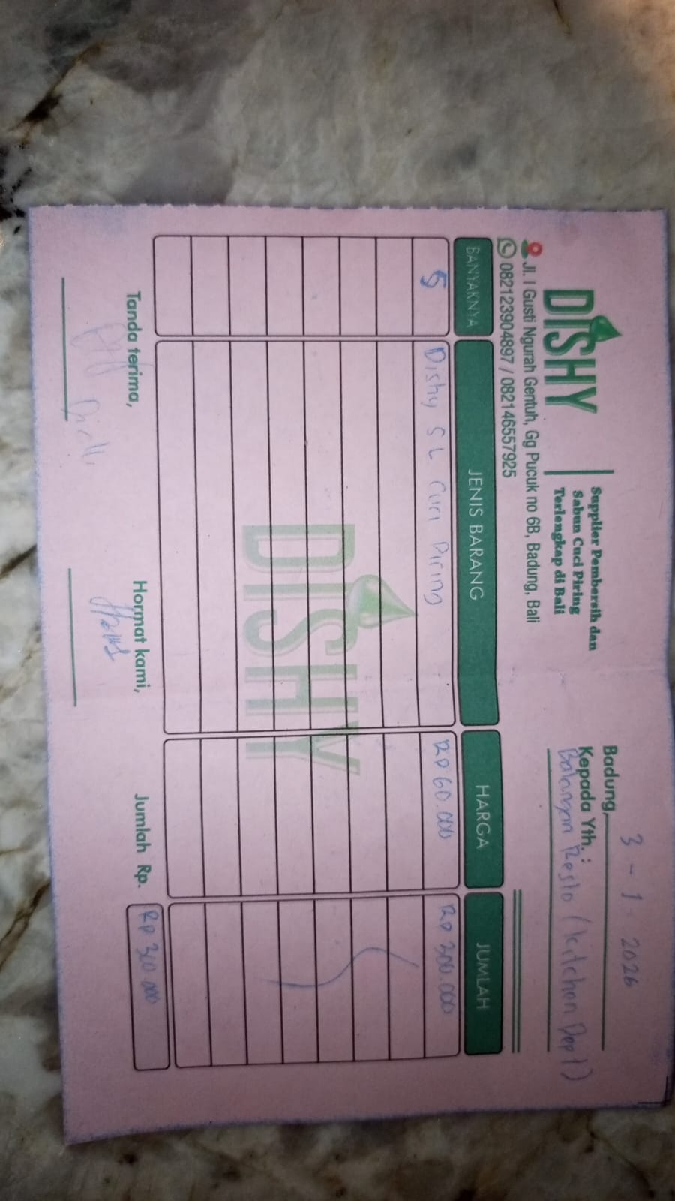 | Rp60,000 | Rp300,000 | Rp300,000
15-Jan-2026 | DISHY 5L DISHWAHING | 5 | 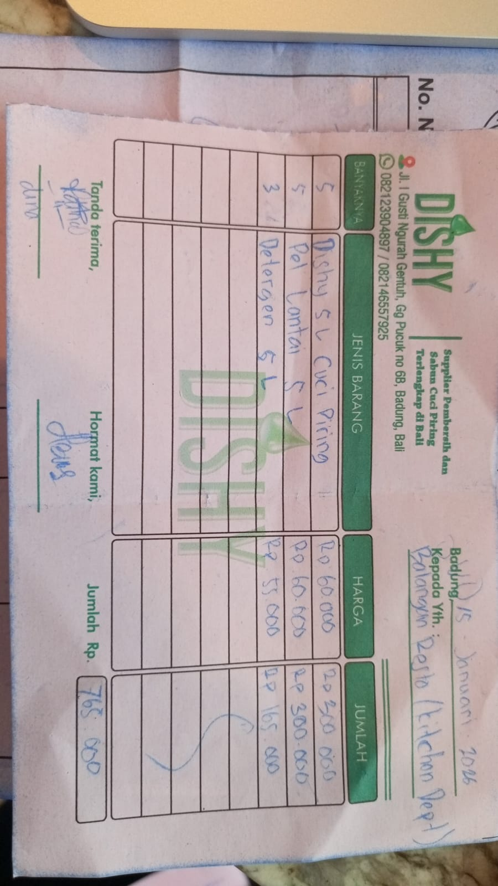 | 60000 | Rp300,000 | Rp765,000
 | FLOOR CLEANER 5L | 5 |  | 60000 | Rp300,000
 | DETERGEN 5L | 3 |  | 55000 | Rp165,000
23-Jan-2026 | DISHY 5L DISHWAHING | 6 | 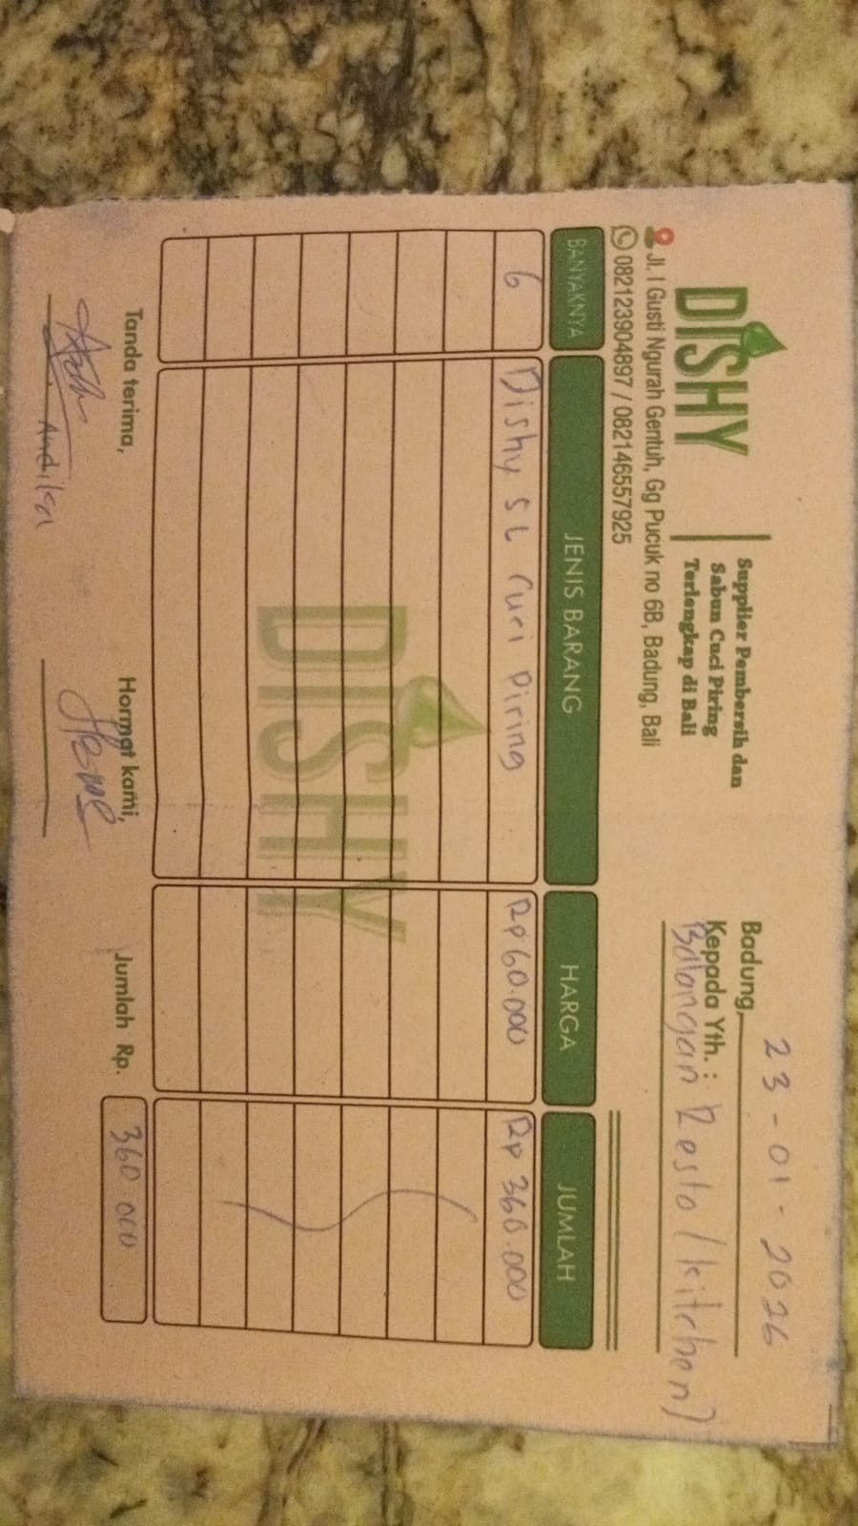 | 60000 | Rp360,000 | Rp360,000
 |  |  |  |  | Rp-
 |  |  |  |  | Rp-
 |  |  |  |  | Rp- | Rp-
 |  |  |  |  | Rp-
GRAND TOTAL |  |  |  | Rp1,425,000

